Stakeholder Registry
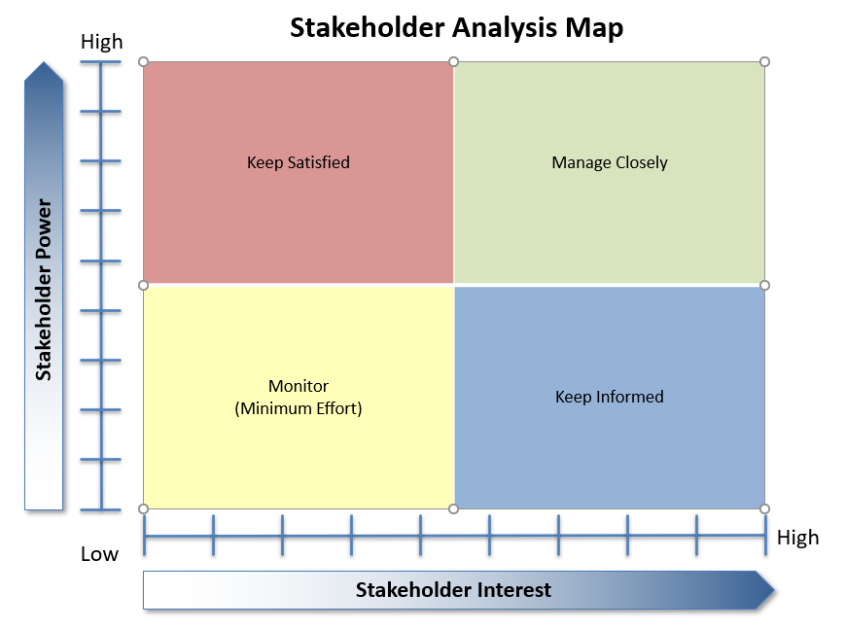
Project Name: Project Stakeholder Registry | Sun room on Kelly’s personal home
Stakeholder Name or Group | Priority Key - Secondary - Other | Requirements, Needs, Wants | Power Ability to stop or change the project | Interest in Project Comparison between their interest and the project goals | Advocate or Adversary | Engagement Strategy
Allyson Kelly - Owner | Key | Budget, quality, flexibility | High - can stop or change the project | High - Must be done with high standards | Advocate | Listen to concerns, communication
HOA group - Leaders | Secondary | Appearance, rules followed | High - can stop or change the project | High - Must follow CCR guidance | Adversary | Show them plans to get their approval
County inspector | Key | Project adheres to regulations | High - can stop or change the project | Medium - as long as regulations are followed | Adversary | Connect when inspector on site
Architect | Key | Project is built to spec | High - can stop or change the project | High - this may affect their reputation | Advocate | Connect as needed for success
Lead Carpenter | Key | A good architecture plan that follows modern building standards. Can suggest changes to save money or assembly the room in a more efficient way. Good sub contractors. Good relationship with stakeholders. | High - can stop or change the project | Medium - changes should be kept to a minimum | Advocate | Good communication, connect face to face.
Master Electrician | Secondary | Architect plan is built to code | Low, follows plan | Low, just doing a contract job | Advocate | Good communication, connect face to face.
Lead Plumber | Secondary | Architect plan is built to code | Low, follows plan | Low, just doing a contract job | Advocate | Good communication, connect face to face.
Before you dig team | Other | Location of foundation | Medium, can change or adjust plan | Low, just identifying wires and pipes in ground | Advocate | Good communication, connect face to face.
Concrete Company | Other | Access to site | Low, will workaround access issues | Medium, forms for concrete must be built correctly. | Advocate | Good communication, connect face to face.

Note: Project Sponsor, and team members are considered stakeholders
There may need to be some speculation for completing the Stakeholder Registry

